응력 시계열 Data
VonMises Stress
 | # 17643 |  | KR
1 | 5.89 | 0.1 | 3.8785085678
1.1 | 5.94 | 0.2 | 6.0281701088
1.2 | 5.94 | 0.3 | 2.9651179314
1.3 | 5.76 | 0.4 | 2.1764712334
1.4 | 5.58 | 0.5 | 1.8400591612
1.5 | 5.5 | 0.6 | 1.8800779581
1.6 | 5.4 | 0.7 | 3.728243351
1.7 | 5.2 | 0.8 | 6.4158596992
1.8 | 5.03 | 0.9 | 5.6897244453
1.9 | 4.93 | 1 | 5.1652674675
2 | 4.84 | 1.1 | 7.3468122482
2.1 | 4.71 | 1.2 | 8.9215688705
2.2 | 4.62 | 1.3 | 7.6753692627
2.3 | 4.58 | 1.4 | 6.539419651
2.4 | 4.53 | 1.5 | 7.4667363167
2.5 | 4.49 | 1.6 | 7.9314827919
2.6 | 4.47 | 1.7 | 6.2860684395
2.7 | 4.46 | 1.8 | 4.8917646408
2.8 | 4.45 | 1.9 | 5.2166824341
2.9 | 4.45 | 2 | 5.2571177483
3 | 4.46 | 2.1 | 3.9569306374
3.1 | 4.48 | 2.2 | 3.1007013321
3.2 | 4.5 | 2.3 | 3.5064594746
3.3 | 4.54 | 2.4 | 3.762267828
3.4 | 4.58 | 2.5 | 3.2018435001
3.5 | 4.63 | 2.6 | 3.0560715199
3.6 | 4.68 | 2.7 | 3.7842476368
3.7 | 4.72 | 2.8 | 4.3901472092
3.8 | 4.76 | 2.9 | 4.4606256485
3.9 | 4.81 | 3 | 4.7871170044
4 | 4.85 | 3.1 | 5.6555404663
4.1 | 4.87 | 3.2 | 6.2834587097
4.2 | 4.88 | 3.3 | 6.4587078094
4.3 | 4.9 | 3.4 | 6.7025775909
4.4 | 4.9 | 3.5 | 7.2173409462
4.5 | 4.88 | 3.6 | 7.4629955292
4.6 | 4.87 | 3.7 | 7.2333688736
4.7 | 4.85 | 3.8 | 6.9776453972
4.8 | 4.83 | 3.9 | 6.8242387772
4.9 | 4.79 | 4 | 6.4354462624
5 | 4.76 | 4.1 | 5.6273269653
5.1 | 4.73 | 4.2 | 4.8512568474
5.2 | 4.69 | 4.3 | 4.2095499039
5.3 | 4.65 | 4.4 | 3.4246039391
5.4 | 4.62 | 4.5 | 2.4764540195
5.5 | 4.59 | 4.6 | 1.7307870388
5.6 | 4.56 | 4.7 | 1.316642046
5.7 | 4.54 | 4.8 | 1.1166986227
5.8 | 4.52 | 4.9 | 1.3040634394
5.9 | 4.51 | 5 | 1.6481318474
...
POSCO |  |  |  |  | KR
time | # 17643 | # 24856 | # 18965 | ← Element Number | time | # 17643 | # 24856 | # 18965
1 | 5.89 | 16.4 | 5.59 |  | 0.1 | 3.8785085678 | 10.582446098 | 6.7705087662
1.1 | 5.94 | 16.2 | 5.71 |  | 0.2 | 6.0281701088 | 9.0600318909 | 4.9899654388
POSCO
 | # 17643 | # 24856 | # 18965
1 | 5.89 | 16.4 | 5.59
1.1 | 5.94 | 16.2 | 5.71
1.2 | 5.94 | 16.1 | 5.72
1.3 | 5.76 | 16.1 | 5.43
1.4 | 5.58 | 16 | 5.21
1.5 | 5.5 | 15.8 | 5.16
1.6 | 5.4 | 15.6 | 5.06
1.7 | 5.2 | 15.6 | 4.82
1.8 | 5.03 | 15.5 | 4.63
1.9 | 4.93 | 15.3 | 4.53
2 | 4.84 | 15.1 | 4.42
2.1 | 4.71 | 15.1 | 4.24
2.2 | 4.62 | 15 | 4.1
2.3 | 4.58 | 14.9 | 4.01
2.4 | 4.53 | 14.8 | 3.92
2.5 | 4.49 | 14.8 | 3.8
2.6 | 4.47 | 14.8 | 3.7
2.7 | 4.46 | 14.8 | 3.64
2.8 | 4.45 | 14.9 | 3.59
2.9 | 4.45 | 15 | 3.51
3 | 4.46 | 15.1 | 3.45
3.1 | 4.48 | 15.2 | 3.44
3.2 | 4.5 | 15.4 | 3.43
3.3 | 4.54 | 15.6 | 3.38
3.4 | 4.58 | 15.7 | 3.37
3.5 | 4.63 | 15.8 | 3.39
3.6 | 4.68 | 16 | 3.4
3.7 | 4.72 | 16.1 | 3.39
3.8 | 4.76 | 16.2 | 3.4
3.9 | 4.81 | 16.2 | 3.44
4 | 4.85 | 16.3 | 3.46
4.1 | 4.87 | 16.3 | 3.46
4.2 | 4.88 | 16.2 | 3.47
4.3 | 4.9 | 16.2 | 3.5
4.4 | 4.9 | 16.1 | 3.51
4.5 | 4.88 | 16 | 3.49
4.6 | 4.87 | 15.9 | 3.47
4.7 | 4.85 | 15.8 | 3.47
4.8 | 4.83 | 15.7 | 3.44
4.9 | 4.79 | 15.6 | 3.39
5 | 4.76 | 15.4 | 3.35
5.1 | 4.73 | 15.3 | 3.33
5.2 | 4.69 | 15.3 | 3.29
5.3 | 4.65 | 15.2 | 3.24
5.4 | 4.62 | 15.1 | 3.2
5.5 | 4.59 | 15.1 | 3.18
5.6 | 4.56 | 15.1 | 3.15
5.7 | 4.54 | 15.1 | 3.12
5.8 | 4.52 | 15.1 | 3.09
5.9 | 4.51 | 15.1 | 3.08
...
1.2 | 5.94 | 16.1 | 5.72 |  | 0.3 | 2.9651179314 | 15.489647865 | 9.2826213837
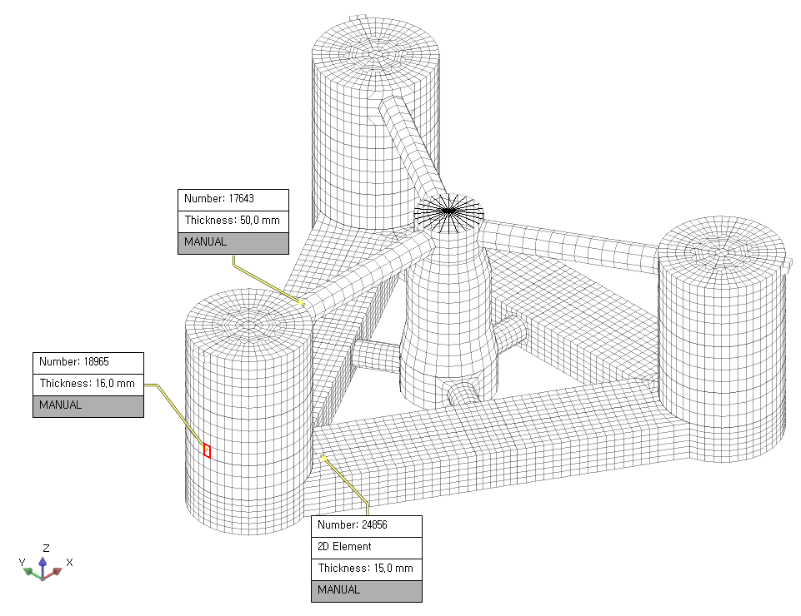
1.3 | 5.76 | 16.1 | 5.43 |  | 0.4 | 2.1764712334 | 26.213682175 | 13.472624779
1.4 | 5.58 | 16 | 5.21 |  | 0.5 | 1.8400591612 | 18.26140213 | 12.245500565
1.5 | 5.5 | 15.8 | 5.16 |  | 0.6 | 1.8800779581 | 14.191501617 | 11.796239853
1.6 | 5.4 | 15.6 | 5.06 |  | 0.7 | 3.728243351 | 25.026138306 | 16.011110306
1.7 | 5.2 | 15.6 | 4.82 |  | 0.8 | 6.4158596992 | 35.023151398 | 19.503829956
1.8 | 5.03 | 15.5 | 4.63 |  | 0.9 | 5.6897244453 | 29.166225433 | 18.575592041
1.9 | 4.93 | 15.3 | 4.53 |  | 1 | 5.1652674675 | 24.852386475 | 18.058574677
2 | 4.84 | 15.1 | 4.42 |  | 1.1 | 7.3468122482 | 32.439067841 | 20.881578445
2.1 | 4.71 | 15.1 | 4.24 |  | 1.2 | 8.9215688705 | 37.515377045 | 22.763725281
VonMises Stress
 | # 24856 |  | KR
1 | 16.4 | 0.1 | 10.582446098
1.1 | 16.2 | 0.2 | 9.0600318909
1.2 | 16.1 | 0.3 | 15.489647865
1.3 | 16.1 | 0.4 | 26.213682175
1.4 | 16 | 0.5 | 18.26140213
1.5 | 15.8 | 0.6 | 14.191501617
1.6 | 15.6 | 0.7 | 25.026138306
1.7 | 15.6 | 0.8 | 35.023151398
1.8 | 15.5 | 0.9 | 29.166225433
1.9 | 15.3 | 1 | 24.852386475
2 | 15.1 | 1.1 | 32.439067841
2.1 | 15.1 | 1.2 | 37.515377045
2.2 | 15 | 1.3 | 30.435628891
2.3 | 14.9 | 1.4 | 24.366981506
2.4 | 14.8 | 1.5 | 26.788209915
2.5 | 14.8 | 1.6 | 27.286472321
2.6 | 14.8 | 1.7 | 19.84453392
2.7 | 14.8 | 1.8 | 14.606656075
2.8 | 14.9 | 1.9 | 14.813891411
2.9 | 15 | 2 | 14.396101952
3 | 15.1 | 2.1 | 10.996400833
3.1 | 15.2 | 2.2 | 10.111228943
3.2 | 15.4 | 2.3 | 9.9673175812
3.3 | 15.6 | 2.4 | 10.053433418
3.4 | 15.7 | 2.5 | 9.4835214615
3.5 | 15.8 | 2.6 | 9.2478895187
3.6 | 16 | 2.7 | 9.934129715
3.7 | 16.1 | 2.8 | 11.55941391
3.8 | 16.2 | 2.9 | 11.905179977
3.9 | 16.2 | 3 | 13.163097382
4 | 16.3 | 3.1 | 16.646457672
4.1 | 16.3 | 3.2 | 19.654537201
4.2 | 16.2 | 3.3 | 20.847295761
4.3 | 16.2 | 3.4 | 22.537399292
4.4 | 16.1 | 3.5 | 25.702003479
4.5 | 16 | 3.6 | 27.917257309
4.6 | 15.9 | 3.7 | 28.298074722
4.7 | 15.8 | 3.8 | 28.941066742
4.8 | 15.7 | 3.9 | 30.182914734
4.9 | 15.6 | 4 | 30.327894211
5 | 15.4 | 4.1 | 29.203262329
5.1 | 15.3 | 4.2 | 28.286813736
5.2 | 15.3 | 4.3 | 27.737415314
5.3 | 15.2 | 4.4 | 26.415655136
5.4 | 15.1 | 4.5 | 24.355941772
5.5 | 15.1 | 4.6 | 22.812969208
5.6 | 15.1 | 4.7 | 21.898481369
5.7 | 15.1 | 4.8 | 20.786848068
5.8 | 15.1 | 4.9 | 19.736152649
5.9 | 15.1 | 5 | 19.620271683
...
2.2 | 4.62 | 15 | 4.1 |  | 1.3 | 7.6753692627 | 30.435628891 | 21.146812439
2.3 | 4.58 | 14.9 | 4.01 |  | 1.4 | 6.539419651 | 24.366981506 | 19.872432709
2.4 | 4.53 | 14.8 | 3.92 |  | 1.5 | 7.4667363167 | 26.788209915 | 21.000734329
2.5 | 4.49 | 14.8 | 3.8 |  | 1.6 | 7.9314827919 | 27.286472321 | 21.485242844
2.6 | 4.47 | 14.8 | 3.7 |  | 1.7 | 6.2860684395 | 19.84453392 | 19.64900589
KR
 | # 17643
0.1 | 3.8785085678
0.2 | 6.0281701088
0.3 | 2.9651179314
0.4 | 2.1764712334
0.5 | 1.8400591612
0.6 | 1.8800779581
0.7 | 3.728243351
0.8 | 6.4158596992
0.9 | 5.6897244453
1 | 5.1652674675
1.1 | 7.3468122482
1.2 | 8.9215688705
1.3 | 7.6753692627
1.4 | 6.539419651
1.5 | 7.4667363167
1.6 | 7.9314827919
1.7 | 6.2860684395
1.8 | 4.8917646408
1.9 | 5.2166824341
2 | 5.2571177483
2.1 | 3.9569306374
2.2 | 3.1007013321
2.3 | 3.5064594746
2.4 | 3.762267828
2.5 | 3.2018435001
2.6 | 3.0560715199
2.7 | 3.7842476368
2.8 | 4.3901472092
2.9 | 4.4606256485
3 | 4.7871170044
3.1 | 5.6555404663
3.2 | 6.2834587097
3.3 | 6.4587078094
3.4 | 6.7025775909
3.5 | 7.2173409462
3.6 | 7.4629955292
3.7 | 7.2333688736
3.8 | 6.9776453972
3.9 | 6.8242387772
4 | 6.4354462624
4.1 | 5.6273269653
4.2 | 4.8512568474
4.3 | 4.2095499039
4.4 | 3.4246039391
4.5 | 2.4764540195
4.6 | 1.7307870388
4.7 | 1.316642046
4.8 | 1.1166986227
4.9 | 1.3040634394
5 | 1.6481318474
...
2.7 | 4.46 | 14.8 | 3.64 |  | 1.8 | 4.8917646408 | 14.606656075 | 18.252830505
2.8 | 4.45 | 14.9 | 3.59 |  | 1.9 | 5.2166824341 | 14.813891411 | 18.673542023
2.9 | 4.45 | 15 | 3.51 |  | 2 | 5.2571177483 | 14.396101952 | 18.794019699
3 | 4.46 | 15.1 | 3.45 |  | 2.1 | 3.9569306374 | 10.996400833 | 17.481243134
3.1 | 4.48 | 15.2 | 3.44 |  | 2.2 | 3.1007013321 | 10.111228943 | 16.656002045
3.2 | 4.5 | 15.4 | 3.43 |  | 2.3 | 3.5064594746 | 9.9673175812 | 17.170793533
3.3 | 4.54 | 15.6 | 3.38 |  | 2.4 | 3.762267828 | 10.053433418 | 17.529188156
3.4 | 4.58 | 15.7 | 3.37 |  | 2.5 | 3.2018435001 | 9.4835214615 | 16.990098953
VonMises Stress
 | # 18965 |  | KR
1 | 5.59 | 0.1 | 6.7705087662
1.1 | 5.71 | 0.2 | 4.9899654388
1.2 | 5.72 | 0.3 | 9.2826213837
1.3 | 5.43 | 0.4 | 13.472624779
1.4 | 5.21 | 0.5 | 12.245500565
1.5 | 5.16 | 0.6 | 11.796239853
1.6 | 5.06 | 0.7 | 16.011110306
1.7 | 4.82 | 0.8 | 19.503829956
1.8 | 4.63 | 0.9 | 18.575592041
1.9 | 4.53 | 1 | 18.058574677
2 | 4.42 | 1.1 | 20.881578445
2.1 | 4.24 | 1.2 | 22.763725281
2.2 | 4.1 | 1.3 | 21.146812439
2.3 | 4.01 | 1.4 | 19.872432709
2.4 | 3.92 | 1.5 | 21.000734329
2.5 | 3.8 | 1.6 | 21.485242844
2.6 | 3.7 | 1.7 | 19.64900589
2.7 | 3.64 | 1.8 | 18.252830505
2.8 | 3.59 | 1.9 | 18.673542023
2.9 | 3.51 | 2 | 18.794019699
3 | 3.45 | 2.1 | 17.481243134
3.1 | 3.44 | 2.2 | 16.656002045
3.2 | 3.43 | 2.3 | 17.170793533
3.3 | 3.38 | 2.4 | 17.529188156
3.4 | 3.37 | 2.5 | 16.990098953
3.5 | 3.39 | 2.6 | 16.815551758
3.6 | 3.4 | 2.7 | 17.598918915
3.7 | 3.39 | 2.8 | 18.201999664
3.8 | 3.4 | 2.9 | 18.111412048
3.9 | 3.44 | 3 | 18.263792038
4 | 3.46 | 3.1 | 19.016876221
4.1 | 3.46 | 3.2 | 19.495975494
4.2 | 3.47 | 3.3 | 19.332723618
4.3 | 3.5 | 3.4 | 19.342870712
4.4 | 3.51 | 3.5 | 19.726222992
4.5 | 3.49 | 3.6 | 19.76874733
4.6 | 3.47 | 3.7 | 19.272171021
4.7 | 3.47 | 3.8 | 18.89005661
4.8 | 3.44 | 3.9 | 18.713699341
4.9 | 3.39 | 4 | 18.231271744
5 | 3.35 | 4.1 | 17.383682251
5.1 | 3.33 | 4.2 | 16.59907341
5.2 | 3.29 | 4.3 | 15.95886898
5.3 | 3.24 | 4.4 | 15.082195282
5.4 | 3.2 | 4.5 | 14.013352394
5.5 | 3.18 | 4.6 | 13.124013901
5.6 | 3.15 | 4.7 | 12.397015572
5.7 | 3.12 | 4.8 | 11.611164093
5.8 | 3.09 | 4.9 | 10.859446526
5.9 | 3.08 | 5 | 10.391449928
...
3.5 | 4.63 | 15.8 | 3.39 |  | 2.6 | 3.0560715199 | 9.2478895187 | 16.815551758
3.6 | 4.68 | 16 | 3.4 |  | 2.7 | 3.7842476368 | 9.934129715 | 17.598918915
3.7 | 4.72 | 16.1 | 3.39 |  | 2.8 | 4.3901472092 | 11.55941391 | 18.201999664
3.8 | 4.76 | 16.2 | 3.4 |  | 2.9 | 4.4606256485 | 11.905179977 | 18.111412048
3.9 | 4.81 | 16.2 | 3.44 |  | 3 | 4.7871170044 | 13.163097382 | 18.263792038
4 | 4.85 | 16.3 | 3.46 |  | 3.1 | 5.6555404663 | 16.646457672 | 19.016876221
4.1 | 4.87 | 16.3 | 3.46 |  | 3.2 | 6.2834587097 | 19.654537201 | 19.495975494
4.2 | 4.88 | 16.2 | 3.47 |  | 3.3 | 6.4587078094 | 20.847295761 | 19.332723618
4.3 | 4.9 | 16.2 | 3.5 |  | 3.4 | 6.7025775909 | 22.537399292 | 19.342870712
4.4 | 4.9 | 16.1 | 3.51 |  | 3.5 | 7.2173409462 | 25.702003479 | 19.726222992
4.5 | 4.88 | 16 | 3.49 |  | 3.6 | 7.4629955292 | 27.917257309 | 19.76874733
4.6 | 4.87 | 15.9 | 3.47 |  | 3.7 | 7.2333688736 | 28.298074722 | 19.272171021
4.7 | 4.85 | 15.8 | 3.47 |  | 3.8 | 6.9776453972 | 28.941066742 | 18.89005661
4.8 | 4.83 | 15.7 | 3.44 |  | 3.9 | 6.8242387772 | 30.182914734 | 18.713699341
4.9 | 4.79 | 15.6 | 3.39 |  | 4 | 6.4354462624 | 30.327894211 | 18.231271744
5 | 4.76 | 15.4 | 3.35 |  | 4.1 | 5.6273269653 | 29.203262329 | 17.383682251
5.1 | 4.73 | 15.3 | 3.33 |  | 4.2 | 4.8512568474 | 28.286813736 | 16.59907341
5.2 | 4.69 | 15.3 | 3.29 |  | 4.3 | 4.2095499039 | 27.737415314 | 15.95886898
 |  |  |  |  | 4.4 | 3.4246039391 | 26.415655136 | 15.082195282
 |  |  |  |  | 4.5 | 2.4764540195 | 24.355941772 | 14.013352394
 |  |  |  |  | 4.6 | 1.7307870388 | 22.812969208 | 13.124013901
 |  |  |  |  | 4.7 | 1.316642046 | 21.898481369 | 12.397015572
 |  |  |  |  | 4.8 | 1.1166986227 | 20.786848068 | 11.611164093
 |  |  |  |  | 4.9 | 1.3040634394 | 19.736152649 | 10.859446526
 |  |  |  |  | 5 | 1.6481318474 | 19.620271683 | 10.391449928
...

